
 |  |  |  | CODE: |  |  | pl1033 aa SN from 98A100
DESCRIPTION: |  | HEAD 95:MOTOR |  | KOPF 95:MOTOR | TETE 95:MOTEUR | CABEZA 95:MOTOR | TESTATA 95:MOTORE
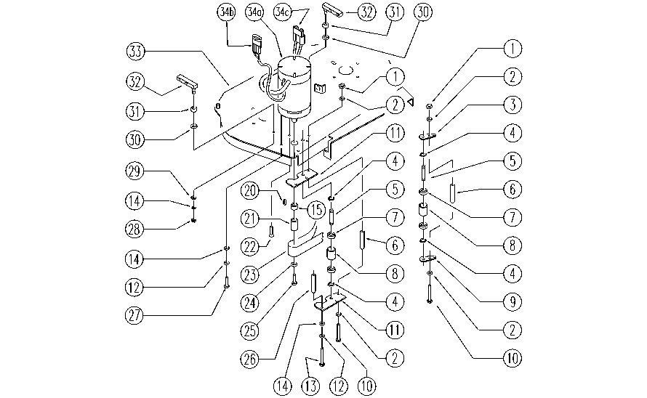

REF. | CODICE | DESCRIPTION | QT
1 | E86552 | nut | 3
2 | E86707 | Cham Washer D10 | 6
3 | SL09855 | PLATE | 1
4 | E89408 | Stop Ring | 4
5 | E86666 | AS28 Pin | 2
6 | E89485 | Spacer | 3
7 | E86667 | Bearing, 6001 2RS | 4
8 | E86727 | Neutral Pulley | 2
9 | SL09854 | PLATE | 1
10 | E86553 | screw | 3
11 | E86665 | Plate (Idler Bearing) | 2
12 | E86702 | Cham Washer D8 | 3
13 | E86554 | screw | 2
14 | E86726 | Washer | 5
15 | E87755 | Spacer | 1
20 | E86536 | Key | 1
21 | E87756 | Pulley | 1
22 | SL04283 | SCREW | 1
23 | E86820 | Belt | 1
24 | E87757 | Washer | 1
25 | E87758 | Screw | 1
26 | E86555 | spacer | 2
27 | SL04083 | SCREW | 1
28 | E86853 | Nyloc Hex Nut, M8 Zinc | 2
29 | E86881 | Washer | 2
30 | E86980 | Washer D13-24-2.5 | 2
31 | E86975 | Rubber Gasket | 2
32 | SL09629 | BRACKET | 2
33 | SL09884 | PLATE | 1
34a | E86803 | Brush Motor | 1
34b | E87903 | Connector | 1
34c | E86580 | Connector, SB50, Gray | 1
34d | E86804 | Carbon Brushes | 2

